Manufacturer Plants
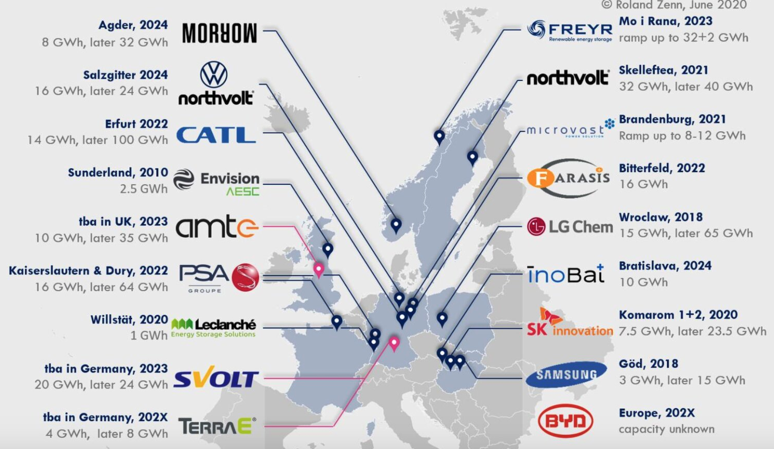
Company | Type | Plant Name | Battery Type | Plant Size (million m^2) | Partner/Sponsor | JV? | Zip Code | City | State | Country | Region | Funding ($B) | GWh initial target | GWh long term target | GWh Actual | Status | Yr to start production | Yr to reach target | Announcement Date | Tags | Jobs Creation Target/Estimate | Jobs/GWh | Sources (URL)
LG Chem | Cell | Ultium Cells LLC |  |  | GM | Yes |  | Lordstown | OH | USA | North America | 2.3 |  | 30 |  |  |  | 2022 | 2020-07-01 |  | 1100 | 36.7 | https://www.wfmj.com/story/42870570/gm-ceo-lordstown-battery-plant-hiring-construction-ahead-of-schedule https://techcrunch.com/2020/07/29/gm-starts-construction-on-the-cornerstone-of-its-ev-strategy/ https://media.gm.com/media/us/en/gm/ev.detail.html/content/Pages/news/us/en/2020/jul/0729-ultium-cells.html
LG Chem |  |  |  |  |  |  |  |  | MI | USA | North America
SK Innovation | Battery |  |  |  |  |  |  | Commerce | GA | USA | North America | 1.67 |  | 9.8 |  | Building |  | 2021 |  |  | 1185 | 120.9
SK Innovation | Battery |  |  |  |  |  |  | Commerce | GA | USA | North America | 0.83 |  | 11.7 |  |  |  | 2023 | 2020-04-01 |  | 1415 | 120.9 | https://insideevs.com/news/445144/sk-innovation-hiring-ev-battery-site-georgia/
Tesla |  |  |  |  |  |  |  |  | TX | USA | North America
Tesla | Cell | Gigafactory 1 |  |  | Panasonic |  |  | Reno | NV | USA | North America | 1.7 |  | 39 | 35 |  |  |  |  |  | 7557 | 193.8 | https://insideevs.com/news/439899/panasonic-100-million-tesla-battery-investment-expansion/ https://www.fool.com/investing/2020/08/19/tesla-gigafactory-1-to-boost-battery-production-ca/#:~:text=Panasonic%20invested%20%241.6%20billion%20in,Gigafactory%201%20now%20makes%20sense. https://www.usatoday.com/in-depth/news/investigations/2019/11/12/tesla-gigafactory-brings-nevada-jobs-and-housing-woes-worker-injuries-strained-ems/2452396001/ https://www.diversifynevada.com/wp-content/uploads/2020/02/2019_0913_Tesla_Audit_and_Tax_Credit_Certificate.pdf
Tesla | Cell | Gigafactory 1 |  |  |  |  |  | Reno | NV | USA | North America |  |  |  |  |  |  |  | 8/19/2020 |  | 3000
Volkswagen | EV |  |  |  |  |  |  | Chattanooga | TN | USA | North America | 22 |  |  |  |  |  | 2021-H1 | 11/10/2020 | Battery Lab | 25 |  | https://insideevs.com/news/453591/tennessee-vw-breaks-ground-ev-battery-lab/
Volkswagen | EV |  |  |  |  |  |  | Chattanooga | TN | USA | North America
Volkswagen | EV |  |  |  |  |  |  | Chattanooga | TN | USA | North America |  |  |  |  |  |  |  |  | Pack

 |  |  |  |  |  |  |  |  |  |  |  |  |  |  |  |  |  |  |  | GWh |  | Jobs/GWh | Est. Jobs
 |  |  |  |  |  |  |  |  |  |  |  |  |  |  |  |  |  |  | Wood Mackenzie (2030) | 1400 | avg | 118.9 | 166,445
 |  |  |  |  |  |  |  |  |  |  |  |  |  |  |  |  |  |  |  |  | max | 312.5 | 437,500
 |  |  |  |  |  |  |  |  |  |  |  |  |  |  |  |  |  |  |  |  | min | 36.7 | 51,333
 |  |  |  |  |  |  |  |  |  |  |  |  |  |  |  |  |  |  | Benchmark Minerals (2030) | 2500 | avg | 118.9 | 297,222
 |  |  |  |  |  |  |  |  |  |  |  |  |  |  |  |  |  |  |  |  | max | 312.5 | 781,250
 |  |  |  |  |  |  |  |  |  |  |  |  |  |  |  |  |  |  |  |  | min | 36.7 | 91,667
 |  |  |  |  |  |  |  |  |  |  |  |  |  |  |  |  |  |  | Bloomberg (2023) | 1000 | avg | 118.9 | 118,889
 |  |  |  |  |  |  |  |  |  |  |  |  |  |  |  |  |  |  |  |  | max | 312.5 | 312,500
 |  |  |  |  |  |  |  |  |  |  |  |  |  |  |  |  |  |  |  |  | min | 36.7 | 36,667

